Sheet1
 | WESTERN CAPE GYMNASTICS ASSOCIATION
 | Official Order Form for Honours and Year Badges
 | Only orders on this form accompanied by proof of payment to Western Cape Gymnastics will be accepted
 | Order foms must be fully completed - incompleted forms will not be accepted
 | ONLY CLUBS TO ORDER FROM WCGA. Please email the Order to clothing@wcga.co.za
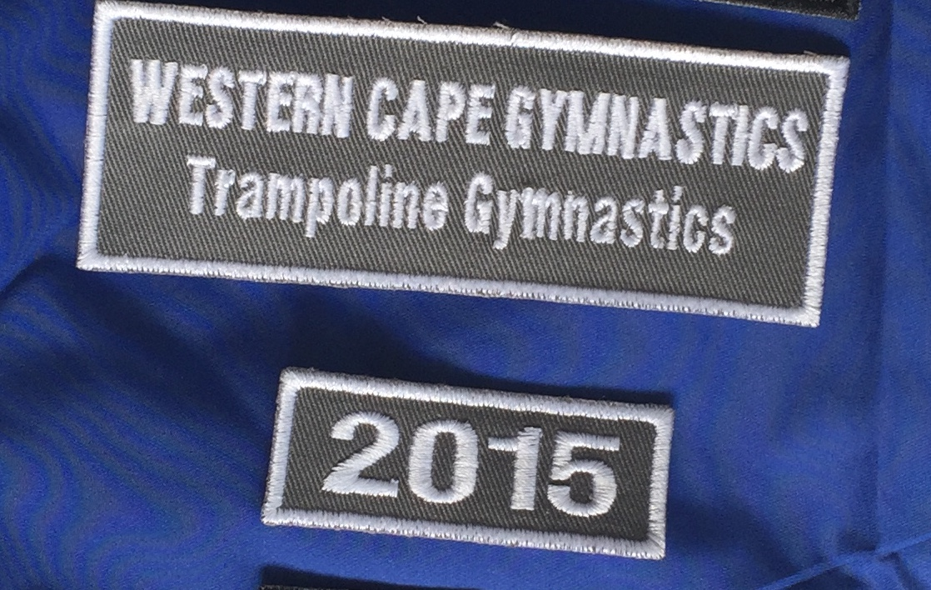
 | Club Name:
 | Number of Year Badges required | R 40 each
 | Number of Honours Badges required | R 60 each |  |  | Artistic
 | Number of Honours Badges required | R 60 each |  |  | Rhythmic
 | Number of Honours Badges required | R 60 each |  |  | Trampoline
 | Number of Honours Badges required | R 60 each |  |  | Tumbling
 | Number of Honours Badges required | R 60 each |  |  | Acrobatics
 | Number of Honours Badges required | R 60 each |  |  | Rope Skipping

 | Gymnasts Name | Year Badge | Discipline | Level & Age | Discipline & Placing at Provincial Comp | Total due (R40/R60/R100)
eg. | Peter Pan | 2017 | Artistic | L7 U/13 | Artistic 5th
1
2
3
4
5
6
7
8
9
10
11
12
13
14
15
16
17
18
19
20
21
22
23
24
25
26
27
28
29
30
31
32
33
34
35
36
37
38
39
40
 | Please make payment into the WCGA Bank Account:Reference Club Name & H Badges |  |  | TOTAL |  | R0.00

